Sheet1
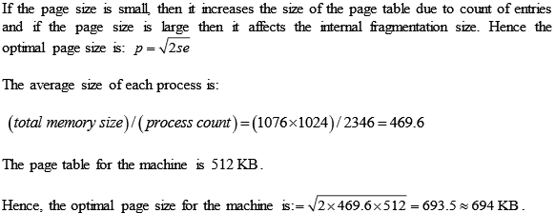
File Type | File Count | Large (128MB-1GB) | Medium (1-128MB) | Small (16KB-1MB) | Tiny (0-16KB) | Empty (0KB) | Mean | Median
.exe | 8671 | 12 | 3745 | 4251 | 3486 | 37 | 3367 | 3615.5
.dll | 55733 | 9 | 885 | 26328 | 25634 | 17 | 18101 | 13259.5

